Specification
Model | CT10 (Petrol) | CT10 (Koop/Euro 5) | CT10 (KUBOTA/Euro 5) | CT10 PRO | CT10 (Yanmar/Euro 5) | Photos
Operating weight (ton) | 0.89 | 0.89 | 0.98 | 0.97 | 0.98 | 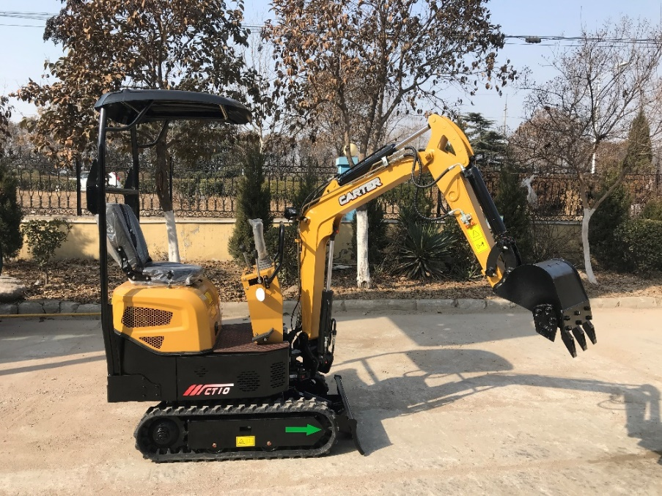
Bucket capacity (cbm) | 0.022 | 0.022 | 0.022 | 0.022 | 0.022
Engine model | Briggs & Stratton XR2100 | KOOP KD192F-1 | KUBOTA Z482 | KD192F-1 | YANMAR 2TNV70-PYU
Rated power (kw/r/min) | 8.8/3000 | 7.0/3000 | 8.2/3000 | 7.0/3000 | 7.5/2400
Hydraulic pump model | C108-51A-01000A0 | C108-51A-01000A0 | C108-51A-01000A0 | C108-51A-01000A0 | C110-51A-01000A0
Max.flow (L/min) | 18 | 18 | 18 | 18 | 19.2
Working pressure (Mpa) | 16 | 16 | 16 | 16 | 16
Control valve model | C110-52A-01000A0 | C110-52A-01000A0 | C110-52A-01000A0 | C112-52A-01000A0 | C110-52A-01000B0
Swing motor model | C110-57A-01000A0 | C110-57A-01000A0 | C110-57A-01000A0 | C110-57A-01000A0 | C110-57A-01000A0
Travel motor model | C108-56A-01000A0 | C108-56A-01000A0 | C108-56A-01000A0 | C108-56A-01000A0 | C108-56A-01000A0
Fuel tank capacity (L) | 6.6 | 7 | 12 | 7 | 10
Hydraulic oil tank capacity (L) | 9.4 | 9.4 | 8.6 | 9.4 | 9.2
Travel speed (km/h) | 1.9 | 1.9 | 1.9 | 1.9 | 2
Swing speed (r/min) | 11.5 | 11.5 | 11.5 | 11.5 | 11.5
Max. climbing degree (%) | 58 | 58 | 58 | 58 | 58
Arm digging force | 5.2 | 5.2 | 5.2 | 4 | 5.8
Bucket digging force (KN) | 7.2 | 7.2 | 7.2 | 8 | 7.6
Average grounding pressure (Kpa) | 28 | 28 | 29 | 29 | 29
A-Overall length (mm) | 2976 | 2976 | 2976 | 3075 | 2976 | 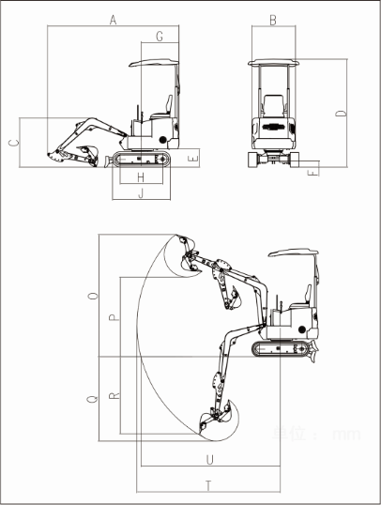
B-Overall width (mm) | 840/880 | 840/880 | 840/880 | 760/920 | 840/880
C-Overall height (to top of boom)(mm) | 1110 | 1110 | 1110 | 1165 | 1110
D-Overall height (to top of cab)(mm) | 2225 | 2225 | 2225 | 2285 | 2225
E-Counterweight ground clearance(mm) | 370 | 370 | 370 | 420 | 370
F-Min. ground clearance (mm) | 132 | 132 | 132 | 118 | 132
G-Tail swing radius (mm) | 815 | 815 | 815 | 840 | 815
H-Track Ground Length (mm) | 900 | 900 | 900 | 900 | 900
J-Track length (mm) | 1233 | 1233 | 1233 | 1233 | 1233
K-Track gauge (mm) | 660 | 660 | 660 | 580（740伸出后） | 660
L-Track width (mm) | 840 | 840 | 840 | 760-920 | 840
M-Track shoe width (mm) | 180 | 180 | 180 | 180 | 180
N-Turntable width (mm) | 760 | 760 | 760 | 760 | 760
O-Max. digging height (mm) | 2585 | 2585 | 2585 | 3055 | 2585
P-Max. dumping height (mm) | 1715 | 1715 | 1715 | 2067 | 1715
Q-Max. digging depth (mm) | 1520 | 1520 | 1520 | 1837 | 1520
R-Max. vertical wall digging depth (mm) | - | - | - | 1620 | -
T-Max. digging reach (mm) | 3210 | 3210 | 3210 | 3439 | 3210
U-Max. digging reach at ground level (mm) | 3125 | 3125 | 3125 | 3390 | 3125
V-Min. swing radius (mm) | 1595 | 1595 | 1595 | 1565 | 1595
X-Distance between center of rotation and tail length (mm) | 815 | 815 | 815 | 840 | 815
Y-Track shoe thickness (mm) | - | - | - | - | -
Z-Height of counterweight (mm) | 416 | 416 | 416 | 416 | 416
A1-Ground length (in transportion)(mm) | 1755 | 1755 | 1755 | 2175 | 1755
Arm length (mm) | 800 | 800 | 800 | 890 | 800
Boom length (mm) | 1480 | 1480 | 1480 | 1500 | 1480
Boom deflection angle left/right(°) | 50°/70° | 50°/70° | 50°/70° | 50°/70° | 50°/70°
Max.pushing height/depth(mm) | 146/261 | 146/261 | 146/261 | 164/243 | 146/261

